Sheet1
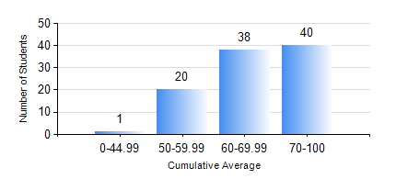
 |  |  | KWAME NKRUMAH UNIVERSITY OF SCIENCE AND TECHNOLOGY, KUMASI Department of Telecommunication Engineering

 |  |  | BSC. TELECOMMUNICATION ENG.

 |  |  | COMPREHENSIVE RECORD OF EXAMINATION RESULTS

 |  |  | RESULTS OF YEAR 2 SECOND SEMESTER, 2019/2020 ACADEMIC YEAR

 | Sn | Course Code |  | Course Name | Credit Hours | Min. Mark | Max. Mark | Avg. Mark | Std. Dev. | No. Passed | No. Trailed | No. (Df) | No. (I) | No. (I*) | No. Tagged(I,I*,Df) | Total
 | 0. |  |  |  |  |  |  | 0 | 0 | 0 | 0 | 0 | 0 | 0 | 0 | 5
 | 1. | ECON 152 |  | INTRODUCTORY ECONOMICS II | 2 | 50 | 87 | 71 | 11.9 | 14 | 0 | 0 | 1 | 0 | 1 | 15
 | 2. | EE 272 |  | DIGITAL SYSTEMS | 3 | 40 | 99 | 74 | 14.96 | 91 | 0 | 0 | 3 | 0 | 3 | 94
 | 3. | EE 288 |  | ELECTRICAL MEASUREMENT AND INSTRUMENTATION | 3 | 47 | 92 | 76 | 9.79 | 91 | 0 | 0 | 3 | 0 | 3 | 94
 | 4. | FREN 182 |  | FRENCH FOR COMMUNICATION | 2 | 52 | 93 | 77 | 9.29 | 78 | 0 | 0 | 1 | 0 | 1 | 79
 | 5. | MATH 252 |  | CALCULUS WITH SEVERAL VARIABLES | 4 | 42 | 94 | 78 | 9.45 | 91 | 0 | 0 | 3 | 0 | 3 | 94
 | 6. | TE 262 |  | ELECTROMAGNETIC FIELDS | 3 | 42 | 91 | 70 | 10.23 | 90 | 0 | 0 | 4 | 0 | 4 | 94
 | 7. | TE 292 |  | TELECOMMUNICATION LAB II | 2 | 50 | 86 | 70 | 7.58 | 94 | 0 | 0 | 0 | 0 | 0 | 94

